30 deg
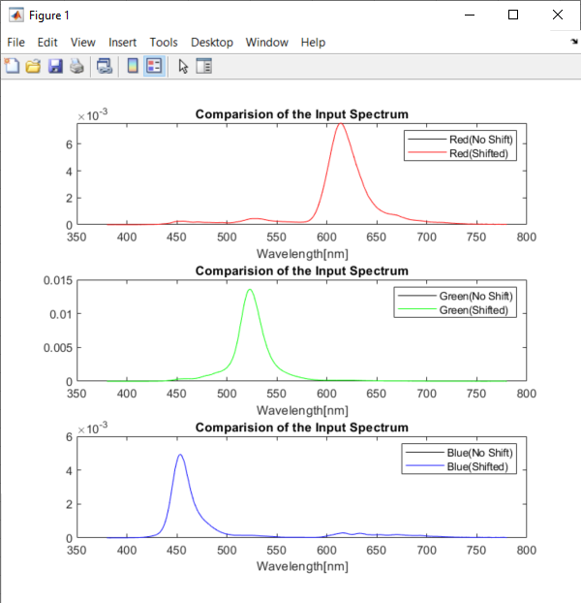
Pattern Colors | X_shifted | Y_shifted | Z_shifted | 1931 x | 1931 y | Simulated R | Simulated G | Simulated B | X_Calculated | Y_Calculated | Z_Calculated | 1931 x | 1931 y | dx | dy
Red | 23.66950996 | 13.334400204 | 1.5784245643 | 0.61348049896 | 0.34560895026 | 28.089868126 | 9.8176611661 | 2.9335829612 | 23.561139795 | 13.273121277 | 1.5713559058 | 0.61348161151 | 0.3456036466 | -1.1125506995E-06 | 5.3036554536E-06
Green | 7.9778613647 | 32.202195546 | 6.2418075317 | 0.17185568612 | 0.69368595882 | 3.0406647105 | 41.244145427 | 13.734390731 | 7.9426524892 | 32.059857249 | 6.2148053636 | 0.17185447644 | 0.69367632409 | 1.2096841123E-06 | 9.6347300708E-06
Blue | 4.7047804407 | 1.873395494 | 20.18477093 | 0.17579455897 | 0.069999596962 | 2.399826828 | 3.4074268829 | 9.2516459141 | 4.6843313362 | 1.8644353106 | 20.093513844 | 0.1758232122 | 0.06998031986 | -2.8653228159E-05 | 1.9277102087E-05

32 deg
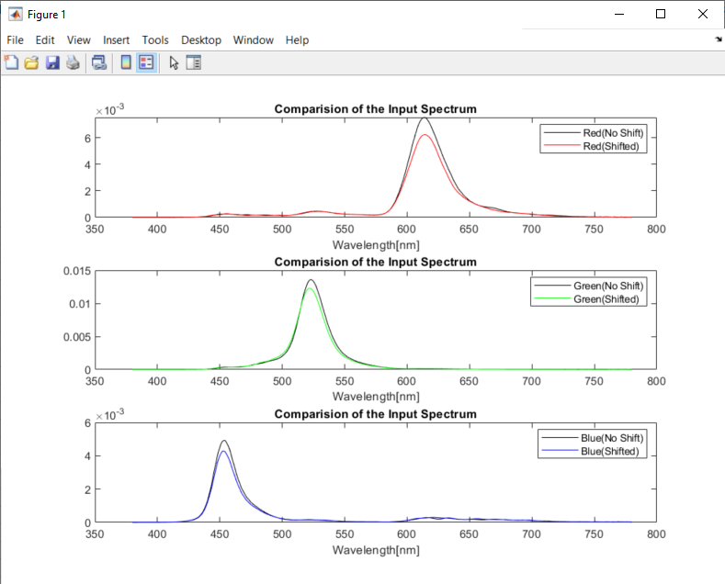
Pattern Colors | X_shifted | Y_shifted | Z_shifted | 1931 x | 1931 y | Simulated R | Simulated G | Simulated B | X_Calculated | Y_Calculated | Z_Calculated | 1931 x | 1931 y | dx | dy
Red | 20.2681 | 11.7002 | 1.5920 | 0.6039 | 0.3486 | 24.1004 | 8.8607 | 2.7465 | 20.2974 | 11.7087 | 1.6147 | 0.6037 | 0.3483 | 0.0002 | 0.0004
Green | 7.1536 | 29.2990 | 6.5101 | 0.1665 | 0.6820 | 2.8592 | 38.3933 | 13.4040 | 7.5933 | 29.7564 | 7.2738 | 0.1702 | 0.6668 | -0.0037 | 0.0151
Blue | 4.3650 | 1.8642 | 17.6828 | 0.1825 | 0.0780 | 2.4977 | 3.2542 | 8.1842 | 4.4513 | 1.9208 | 17.6310 | 0.1854 | 0.0800 | -0.0029 | -0.0021

